Kow_KLDPEW
chemical_name | log KOW | log KLDPE-W
PCB-001 | 4.46 | 4.17 | KOW - KLDPE-W regression curve (log KLDPE-W = a * log KOW + b)
PCB-002 | 4.69 | 4.40
PCB-003 | 4.69 | 4.40 | For PCBs and DDXs
PCB-004 | 4.65 | 4.36 | Slope (a) | 1.18
PCB-005 | 4.97 | 4.68 | Intercept (b) | -1.26
PCB-006 | 5.06 | 4.77 | Source: Ghosh et al. 2014
PCB-007 | 5.07 | 4.78
PCB-008 | 5.07 | 4.78
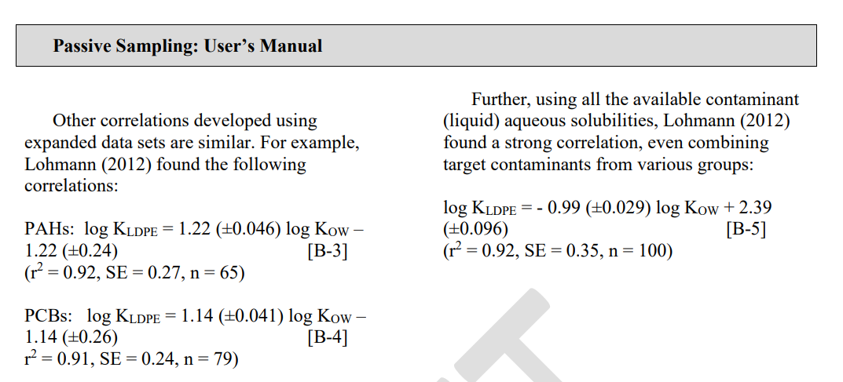
PCB-009 | 5.06 | 4.77
PCB-010 | 4.84 | 4.55
PCB-011 | 5.28 | 4.99
PCB-012 | 5.22 | 4.93
PCB-013 | 5.29 | 5.00
PCB-014 | 5.28 | 4.99
PCB-015 | 5.30 | 5.01
PCB-016 | 5.16 | 4.87
PCB-017 | 5.25 | 4.96
PCB-018 | 5.24 | 4.95
PCB-019 | 5.02 | 4.73
PCB-020 | 5.57 | 5.28
PCB-021 | 5.51 | 5.22
PCB-022 | 5.58 | 5.29
PCB-023 | 5.57 | 5.28
PCB-024 | 5.35 | 5.06
PCB-025 | 5.67 | 5.38
PCB-026 | 5.60 | 5.31
PCB-027 | 5.44 | 5.15
PCB-028 | 5.67 | 5.38
PCB-029 | 5.60 | 5.31
PCB-030 | 5.44 | 5.15
PCB-031 | 5.67 | 5.38
PCB-032 | 5.44 | 5.15
PCB-033 | 5.60 | 5.31
PCB-034 | 5.66 | 5.37
PCB-035 | 5.82 | 5.53
PCB-036 | 5.88 | 5.59
PCB-037 | 5.83 | 5.54
PCB-038 | 5.76 | 5.47
PCB-039 | 5.89 | 5.60
PCB-040 | 5.66 | 5.37
PCB-041 | 5.69 | 5.40
PCB-042 | 5.76 | 5.47
PCB-043 | 5.75 | 5.46
PCB-044 | 5.75 | 5.46
PCB-045 | 5.53 | 5.24
PCB-046 | 5.53 | 5.24
PCB-047 | 5.85 | 5.56
PCB-048 | 5.78 | 5.49
PCB-049 | 5.85 | 5.56
PCB-050 | 5.63 | 5.34
PCB-051 | 5.63 | 5.34
PCB-052 | 5.84 | 5.55
PCB-053 | 5.62 | 5.33
PCB-054 | 5.21 | 4.92
PCB-055 | 6.11 | 5.82
PCB-056 | 6.11 | 5.82
PCB-057 | 6.17 | 5.88
PCB-058 | 6.17 | 5.88
PCB-059 | 5.95 | 5.66
PCB-060 | 6.11 | 5.82
PCB-061 | 6.04 | 5.75
PCB-062 | 5.89 | 5.60
PCB-063 | 6.17 | 5.88
PCB-064 | 5.95 | 5.66
PCB-065 | 5.86 | 5.57
PCB-066 | 6.20 | 5.91
PCB-067 | 6.20 | 5.91
PCB-068 | 6.26 | 5.97
PCB-069 | 6.04 | 5.75
PCB-070 | 6.20 | 5.91
PCB-071 | 5.98 | 5.69
PCB-072 | 6.26 | 5.97
PCB-073 | 6.04 | 5.75
PCB-074 | 6.20 | 5.91
PCB-075 | 6.05 | 5.76
PCB-076 | 6.13 | 5.84
PCB-077 | 6.36 | 6.07
PCB-078 | 6.35 | 6.06
PCB-079 | 6.42 | 6.13
PCB-080 | 6.48 | 6.19
PCB-081 | 6.36 | 6.07
PCB-082 | 6.20 | 5.91
PCB-083 | 6.26 | 5.97
PCB-084 | 6.04 | 5.75
PCB-085 | 6.30 | 6.01
PCB-086 | 6.23 | 5.94
PCB-087 | 6.29 | 6.00
PCB-088 | 6.07 | 5.78
PCB-089 | 6.07 | 5.78
PCB-090 | 6.36 | 6.07
PCB-091 | 6.13 | 5.84
PCB-092 | 6.35 | 6.06
PCB-093 | 6.04 | 5.75
PCB-094 | 6.13 | 5.84
PCB-095 | 6.13 | 5.84
PCB-096 | 5.71 | 5.42
PCB-097 | 6.29 | 6.00
PCB-098 | 6.13 | 5.84
PCB-099 | 6.39 | 6.10
PCB-100 | 6.23 | 5.94
PCB-101 | 6.38 | 6.09
PCB-102 | 6.16 | 5.87
PCB-103 | 6.22 | 5.93
PCB-104 | 5.81 | 5.52
PCB-105 | 6.65 | 6.36
PCB-106 | 6.64 | 6.35
PCB-107 | 6.71 | 6.42
PCB-108 | 6.71 | 6.42
PCB-109 | 6.48 | 6.19
PCB-110 | 6.48 | 6.19
PCB-111 | 6.76 | 6.47
PCB-112 | 6.45 | 6.16
PCB-113 | 6.54 | 6.25
PCB-114 | 6.65 | 6.36
PCB-115 | 6.49 | 6.20
PCB-116 | 6.33 | 6.04
PCB-117 | 6.46 | 6.17
PCB-118 | 6.74 | 6.45
PCB-119 | 6.58 | 6.29
PCB-120 | 6.79 | 6.50
PCB-121 | 6.64 | 6.35
PCB-122 | 6.64 | 6.35
PCB-123 | 6.74 | 6.45
PCB-124 | 6.73 | 6.44
PCB-125 | 6.51 | 6.22
PCB-126 | 6.89 | 6.60
PCB-127 | 6.95 | 6.66
PCB-128 | 6.74 | 6.45
PCB-129 | 6.73 | 6.44
PCB-130 | 6.80 | 6.51
PCB-131 | 6.58 | 6.29
PCB-132 | 6.58 | 6.29
PCB-133 | 6.86 | 6.57
PCB-134 | 6.55 | 6.26
PCB-135 | 6.64 | 6.35
PCB-136 | 6.22 | 5.93
PCB-137 | 6.83 | 6.54
PCB-138 | 6.83 | 6.54
PCB-139 | 6.67 | 6.38
PCB-140 | 6.67 | 6.38
PCB-141 | 6.82 | 6.53
PCB-142 | 6.51 | 6.22
PCB-143 | 6.60 | 6.31
PCB-144 | 6.67 | 6.38
PCB-145 | 6.25 | 5.96
PCB-146 | 6.89 | 6.60
PCB-147 | 6.64 | 6.35
PCB-148 | 6.73 | 6.44
PCB-149 | 6.67 | 6.38
PCB-150 | 6.33 | 6.04
PCB-151 | 6.64 | 6.35
PCB-152 | 6.22 | 5.93
PCB-153 | 6.92 | 6.63
PCB-154 | 6.76 | 6.47
PCB-155 | 6.41 | 6.12
PCB-156 | 7.18 | 6.89
PCB-157 | 7.18 | 6.89
PCB-158 | 7.02 | 6.73
PCB-159 | 7.24 | 6.95
PCB-160 | 6.93 | 6.64
PCB-161 | 7.08 | 6.79
PCB-162 | 7.24 | 6.95
PCB-163 | 6.99 | 6.70
PCB-164 | 7.02 | 6.73
PCB-165 | 7.05 | 6.76
PCB-166 | 6.93 | 6.64
PCB-167 | 7.27 | 6.98
PCB-168 | 7.11 | 6.82
PCB-169 | 7.42 | 7.13
PCB-170 | 7.27 | 6.98
PCB-171 | 7.11 | 6.82
PCB-172 | 7.33 | 7.04
PCB-173 | 7.02 | 6.73
PCB-174 | 7.11 | 6.82
PCB-175 | 7.17 | 6.88
PCB-176 | 6.76 | 6.47
PCB-177 | 7.08 | 6.79
PCB-178 | 7.14 | 6.85
PCB-179 | 6.73 | 6.44
PCB-180 | 7.36 | 7.07
PCB-181 | 7.11 | 6.82
PCB-182 | 7.2 | 6.91
PCB-183 | 7.2 | 6.91
PCB-184 | 6.85 | 6.56
PCB-185 | 7.11 | 6.82
PCB-186 | 6.69 | 6.40
PCB-187 | 7.17 | 6.88
PCB-188 | 6.82 | 6.53
PCB-189 | 7.71 | 7.42
PCB-190 | 7.46 | 7.17
PCB-191 | 7.55 | 7.26
PCB-192 | 7.52 | 7.23
PCB-193 | 7.52 | 7.23
PCB-194 | 7.8 | 7.51
PCB-195 | 7.56 | 7.27
PCB-196 | 7.65 | 7.36
PCB-197 | 7.3 | 7.01
PCB-198 | 7.62 | 7.33
PCB-199 | 7.2 | 6.91
PCB-200 | 7.27 | 6.98
PCB-201 | 7.62 | 7.33
PCB-202 | 7.24 | 6.95
PCB-203 | 7.65 | 7.36
PCB-204 | 7.3 | 7.01
PCB-205 | 8 | 7.71
PCB-206 | 8.09 | 7.80
PCB-207 | 7.74 | 7.45
PCB-208 | 7.71 | 7.42
PCB-209 | 8.18 | 7.89

LDPE_mass
Sample Type | LDPE sample ID | Date Deployed | Date retrieved | Duration of deployment | Analysis | LDPE mass (g) | LDPE mass (mg) | Observation
QC Samples | LDW23-Day Zero-1 | -- | -- | 0 | PCBs | 0.512 | 512
QC Samples | LDW23-Day Zero-2 | -- | -- | 0 | PCBs | 0.507 | 507
QC Samples | LDW23-Day Zero-3 | -- | -- | 0 | PCBs | 0.471 | 471
Sampling LDPE strips | LDW23-PS1-02 | -- | -- | 28 | PCBs | 0.519 | 519
Sampling LDPE strips | LDW23-PS1-04 | -- | -- | 28 | PCBs | 0.476 | 476
Sampling LDPE strips | LDW23-PS1-05 | -- | -- | 28 | PCBs | 0.460 | 460
Sampling LDPE strips | LDW23-PS1-07 | -- | -- | 28 | PCBs | 0.488 | 488
Sampling LDPE strips | LDW23-PS1-08 | -- | -- | 28 | PCBs | 0.501 | 501
Sampling LDPE strips | LDW23-PS2-01 | -- | -- | 28 | PCBs | 0.491 | 491
Sampling LDPE strips | LDW23-PS2-02 | -- | -- | 28 | PCBs | 0.483 | 483
Sampling LDPE strips | LDW23-PS2-05 | -- | -- | 28 | PCBs | 0.468 | 468
Sampling LDPE strips | LDW23-PS2-08 | -- | -- | 28 | PCBs | 0.487 | 487
Sampling LDPE strips | LDW23-PS2-09 | -- | -- | 28 | PCBs | 0.508 | 508

