Tissue Ratios
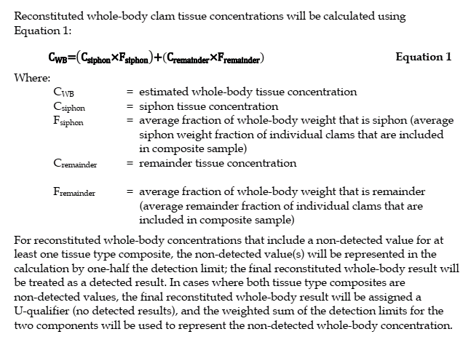
Reconstituted whole body clam tissue ratios
Calculated whole body composite ID | % Siphon | % Remainder
LDW23-C01-CLWB-Comp1 | 7.27% | 92.7%
LDW23-C01-CLWB-Comp2 | 6.57% | 93.4%
LDW23-C02-CLWB-Comp1 | 9.18% | 90.8%
LDW23-C02-CLWB-Comp2 | 11.5% | 88.5%
LDW23-C03-CLWB-Comp1 | 9.71% | 90.3%
LDW23-C03-CLWB-Comp2 | 9.00% | 91.0%
LDW23-C04-CLWB-Comp1 | 11.1% | 88.9%
LDW23-C04-CLWB-Comp2 | 9.20% | 90.8%
LDW23-C05-CLWB-Comp1 | 8.01% | 92.0%
LDW23-C05-CLWB-Comp2 | 10.7% | 89.3%
LDW23-C06-CLWB-Comp1 | 11.2% | 88.8%
LDW23-C06-CLWB-Comp2 | 10.4% | 89.6%
LDW23-C08-CLWB-Comp1 | 8.48% | 91.5%
LDW23-C08-CLWB-Comp2 | 9.51% | 90.5%
LDW23-C09-CLWB-Comp1 | 9.65% | 90.4%
LDW23-C09-CLWB-Comp2 | 10.4% | 89.6%
LDW23-C10-CLWB-Comp1 | 11.4% | 88.6%
LDW23-C10-CLWB-Comp2 | 10.5% | 89.5%
LDW23-C11-CLWB-Comp1 | 10.9% | 89.1%
LDW23-C11-CLWB-Comp2 | 10.9% | 89.1%

