PRC correction_remove 3 indeno
LDW18-PWPS-A01 | log10 KOW | PRC Initial (pg/g) | PRC Final (pg/g) | PRC(Initial)/PRC(Final) | Deployment time (days) | ke (day-1) | log10 ke | Slope | Intercept | PAH | log10 kow | LDW18-PWPS-A01 |  | LDW18-PWPS-A02 |  | LDW18-PWPS-A04 |  | LDW18-PWPS-A06 |  | LDW18-PWPS-A07 |  | LDW18-PWPS-A07Dup |  | LDW18-PWPS-A08 |  | LDW18-PWPS-A10 |  | LDW18-PWPS-A11 |  | LDW18-PWPS-A17 |  | LDW18-PWPS-A18
13C6-Chrysene | 5.70 | 5790 | 1430 | 4.05 | 28 | 0.05 | -1.30 | -0.53 | 1.57 |  |  | ke (day-1) | Feq | ke (day-1) | Feq | ke (day-1) | Feq | ke (day-1) | Feq | ke (day-1) | Feq | ke (day-1) | Feq | ke (day-1) | Feq | ke (day-1) | Feq | ke (day-1) | Feq | ke (day-1) | Feq | ke (day-1) | Feq
13C6-Indeno(123cd)pyrene | 7.09 | 7073 | 6140 | 1.15 | 28 | 0.01 | -2.30
13C6-Phenanthrene | 4.50 | 9700 | 334 | 29.04 | 28 | 0.12 | -0.92 |  |  | Benz[a]anthracene | 5.8 | 0.030 | 0.564 | 0.030 | 0.570 | 0.017 | 0.376 | 0.028 | 0.549 | 0.014 | 0.322 | 0.018 | 0.401 | 0.038 | 0.651 | 0.033 | 0.605 | 0.039 | 0.666 | 0.042 | 0.691 | 0.041 | 0.685
Fluoranthene d-10 | 5.00 | 4480 | 507 | 8.84 | 28 | 0.08 | -1.11 |  |  | Benzo[a]pyrene | 6.1 | 0.020 | 0.436 | 0.019 | 0.414 | 0.011 | 0.268 | 0.021 | 0.448 | 0.009 | 0.217 | 0.011 | 0.273 | 0.025 | 0.505 | 0.025 | 0.509 | 0.029 | 0.552 | 0.031 | 0.578 | 0.030 | 0.568
 |  |  |  |  |  |  |  |  |  | Benzo[b]fluoranthene | 5.9 | 0.026 | 0.520 | 0.026 | 0.515 | 0.015 | 0.337 | 0.026 | 0.514 | 0.012 | 0.283 | 0.016 | 0.354 | 0.033 | 0.602 | 0.030 | 0.572 | 0.035 | 0.628 | 0.038 | 0.654 | 0.037 | 0.646
 |  |  |  |  |  |  |  |  |  | Benzo[j,k]fluoranthenes | 5.9 | 0.026 | 0.520 | 0.026 | 0.515 | 0.015 | 0.337 | 0.026 | 0.514 | 0.012 | 0.283 | 0.016 | 0.354 | 0.033 | 0.602 | 0.030 | 0.572 | 0.035 | 0.628 | 0.038 | 0.654 | 0.037 | 0.646
 |  |  |  |  |  |  |  |  |  | Chrysene | 5.7 | 0.034 | 0.609 | 0.035 | 0.626 | 0.019 | 0.418 | 0.031 | 0.585 | 0.016 | 0.364 | 0.021 | 0.451 | 0.043 | 0.700 | 0.036 | 0.637 | 0.043 | 0.704 | 0.047 | 0.729 | 0.046 | 0.723
LDW18-PWPS-A02 | log10 KOW | Initial (ng/g) | PRC Final (ng/g) | PRC(Initial)/PRC(Final) | Deployment time (days) | ke (day-1) | log10 ke | Slope | Intercept | Dibenz[a,h]anthracene | 7.39 | 0.004 | 0.111 | 0.003 | 0.072 | 0.002 | 0.051 | 0.006 | 0.154 | 0.001 | 0.033 | 0.001 | 0.040 | 0.004 | 0.117 | 0.008 | 0.203 | 0.007 | 0.189 | 0.008 | 0.203 | 0.008 | 0.192
13C6-Chrysene | 5.70 | 5790 | 1550 | 3.74 | 28 | 0.05 | -1.33 | -0.66 | 2.33 | Indeno[1,2,3-cd]pyrene | 7.09 | 0.006 | 0.156 | 0.004 | 0.111 | 0.003 | 0.077 | 0.008 | 0.201 | 0.002 | 0.052 | 0.002 | 0.064 | 0.007 | 0.170 | 0.011 | 0.256 | 0.010 | 0.249 | 0.011 | 0.266 | 0.010 | 0.254
13C6-Indeno(123cd)pyrene | 7.09 | 7073 | 6400 | 1.11 | 28 | 0.00 | -2.45
13C6-Phenanthrene | 4.50 | 9700 | 87 | 112.14 | 28 | 0.17 | -0.77
Fluoranthene d-10 | 5.00 | 4480 | 169 | 26.51 | 28 | 0.12 | -0.93

LDW18-PWPS-A04 | log10 KOW | Initial (ng/g) | PRC Final (ng/g) | PRC(Initial)/PRC(Final) | Deployment time (days) | ke (day-1) | log10 ke | Slope | Intercept
13C6-Chrysene | 5.70 | 5790 | 3440 | 1.68 | 28 | 0.02 | -1.73 | -0.60 | 1.70
13C6-Phenanthrene | 4.50 | 9700 | 664 | 14.61 | 28 | 0.10 | -1.02
Fluoranthene d-10 | 5.00 | 4480 | 940 | 4.77 | 28 | 0.06 | -1.25

LDW18-PWPS-A06 | log10 KOW | Initial (ng/g) | PRC Final (ng/g) | PRC(Initial)/PRC(Final) | Deployment time (days) | ke (day-1) | log10 ke | Slope | Intercept
13C6-Chrysene | 5.70 | 5790 | 2400 | 2.41 | 28 | 0.03 | -1.50 | -0.43 | 0.93
13C6-Indeno(123cd)pyrene | 7.09 | 7073 | 5650 | 1.25 | 28 | 0.01 | -2.10
13C6-Phenanthrene | 4.50 | 9700 | 545 | 17.80 | 28 | 0.10 | -0.99
Fluoranthene d-10 | 5.00 | 4480 | 794 | 5.64 | 28 | 0.06 | -1.21

LDW18-PWPS-A07 | log10 KOW | Initial (ng/g) | PRC Final (ng/g) | PRC(Initial)/PRC(Final) | Deployment time (days) | ke (day-1) | log10 ke | Slope | Intercept
13C6-Chrysene | 5.70 | 5790 | 3500 | 1.65 | 28 | 0.02 | -1.75 | -0.67 | 2.03
13C6-Indeno(123cd)pyrene | 7.09 | 7073 | 6730 | 1.05 | 28 | 0.00 | -2.75
13C6-Phenanthrene | 4.50 | 9700 | 749 | 12.95 | 28 | 0.09 | -1.04
Fluoranthene d-10 | 5.00 | 4480 | 1060 | 4.23 | 28 | 0.05 | -1.29

LDW18-PWPS-A07Dup | log10 KOW | Initial (ng/g) | PRC Final (ng/g) | PRC(Initial)/PRC(Final) | Deployment time (days) | ke (day-1) | log10 ke | Slope | Intercept
13C6-Chrysene | 5.70 | 5790 | 2240 | 2.58 | 28 | 0.03 | -1.47 | -0.69 | 2.25
13C6-Indeno(123cd)pyrene | 7.09 | 7073 | 6710 | 1.05 | 28 | 0.00 | -2.73
13C6-Phenanthrene | 4.50 | 9700 | 528 | 18.37 | 28 | 0.10 | -0.98
Fluoranthene d-10 | 5.00 | 4480 | 608 | 7.37 | 28 | 0.07 | -1.15

LDW18-PWPS-A08 | log10 KOW | Initial (ng/g) | PRC Final (ng/g) | PRC(Initial)/PRC(Final) | Deployment time (days) | ke (day-1) | log10 ke | Slope | Intercept
13C6-Chrysene | 5.70 | 5790 | 1880 | 3.08 | 28 | 0.04 | -1.40 | -0.58 | 1.96
13C6-Phenanthrene | 4.50 | 9700 | 40 | 240.10 | 28 | 0.20 | -0.71
Fluoranthene d-10 | 5.00 | 4480 | 119 | 37.65 | 28 | 0.13 | -0.89

LDW18-PWPS-A10 | log10 KOW | Initial (ng/g) | PRC Final (ng/g) | PRC(Initial)/PRC(Final) | Deployment time (days) | ke (day-1) | log10 ke | Slope | Intercept
13C6-Chrysene | 5.70 | 5790 | 2230 | 2.60 | 28 | 0.03 | -1.47 | -0.39 | 0.75
13C6-Phenanthrene | 4.50 | 9700 | 653 | 14.85 | 28 | 0.10 | -1.02
Fluoranthene d-10 | 5.00 | 4480 | 503 | 8.91 | 28 | 0.08 | -1.11

LDW18-PWPS-A11 | log10 KOW | Initial (ng/g) | PRC Final (ng/g) | PRC(Initial)/PRC(Final) | Deployment time (days) | ke (day-1) | log10 ke | Slope | Intercept
13C6-Chrysene | 5.70 | 5790 | 1680 | 3.45 | 28 | 0.04 | -1.35 | -0.45 | 1.22
13C6-Indeno(123cd)pyrene | 7.09 | 7073 | 5350 | 1.32 | 28 | 0.01 | -2.00
13C6-Phenanthrene | 4.50 | 9700 | 191 | 50.79 | 28 | 0.14 | -0.85
Fluoranthene d-10 | 5.00 | 4480 | 288 | 15.56 | 28 | 0.10 | -1.01

LDW18-PWPS-A17 | log10 KOW | Initial (ng/g) | PRC Final (ng/g) | PRC(Initial)/PRC(Final) | Deployment time (days) | ke (day-1) | log10 ke | Slope | Intercept
13C6-Chrysene | 5.70 | 5790 | 1430 | 4.05 | 28 | 0.05 | -1.30 | -0.45 | 1.23
13C6-Indeno(123cd)pyrene | 7.09 | 7073 | 5280 | 1.34 | 28 | 0.01 | -1.98
13C6-Phenanthrene | 4.50 | 9700 | 190 | 51.05 | 28 | 0.14 | -0.85
Fluoranthene d-10 | 5.00 | 4480 | 212 | 21.13 | 28 | 0.11 | -0.96

LDW18-PWPS-A18 | log10 KOW | Initial (ng/g) | PRC Final (ng/g) | PRC(Initial)/PRC(Final) | Deployment time (days) | ke (day-1) | log10 ke | Slope | Intercept
13C6-Chrysene | 5.70 | 5790 | 1310 | 4.42 | 28 | 0.05 | -1.28 | -0.46 | 1.29
13C6-Indeno(123cd)pyrene | 7.09 | 7073 | 5410 | 1.31 | 28 | 0.01 | -2.02
13C6-Phenanthrene | 4.50 | 9700 | 204 | 47.55 | 28 | 0.14 | -0.86
Fluoranthene d-10 | 5.00 | 4480 | 215 | 20.84 | 28 | 0.11 | -0.96

LDW18-PWPS-A02

LDW18-PWPS-A04

LDW18-PWPS-A06

LDW18-PWPS-A07
LDW18-PWPS-A07DUP

LDW18-PWPS-A08
LDW18-PWPS-A10

LDW18-PWPS-A11
LDW18-PWPS-A17

LDW18-PWPS-A18

QAPP PAH Kow
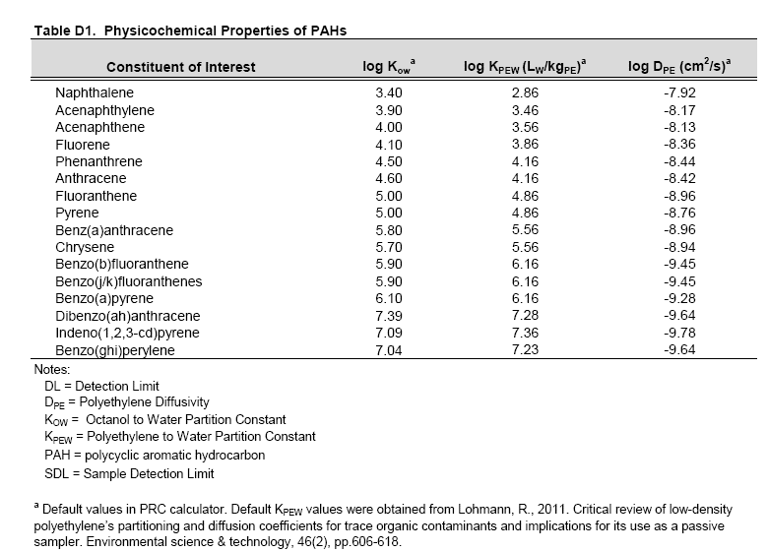

From Clam QAPP

